Sheet 1
The Sea Wharf Restaurant would like to determine the best way to allocate a monthly advertising budget of $4,000.00 between newspaper advertising and radio advertising. Management decided that at least 25% of the budget must be spent on each type of media and that the amount of money spent on local newspaper advertising must be at least twice the amount spent on radio advertising. A marketing consultant developed an index that measures audience exposure per dollar of advertising on a scale from 0 to 100, with higher values implying greater audience exposure. If the value of the index for local newspaper advertising is 40 and the value of the index for spot radio advertising is 50, how should the restaurant allocate its advertising budget to maximize the value of total audience exposure?
(a)
Formulate a linear programming model that can be used to determine how the restaurant should allocate its advertising budget in order to maximize the value of total audience exposure. (Assume N is the amount spent on newspaper advertising and R is the amount spent on radio advertising.)
(b)
Develop a spreadsheet model and solve the problem using Excel Solver. (Round the Newspaper Dollars Allocated and the Radio Dollars Allocated to the nearest cent. Round the Total Exposure Index to the nearest integer.)
Sea Wharf Restaurant
Parameters
Monthly Budget | $4,000
Newspaper Advertising | N |  | Index | 40
Radio Advertising | R |  |  | 50

Model
Max Total Value of audience exposure | 173333.33338
Newspaper Advertising Allocation | $2,667
Radio Advertising Allocation | $1,333
Total Budget Available | $4,000
Total Budget spent | $4,000
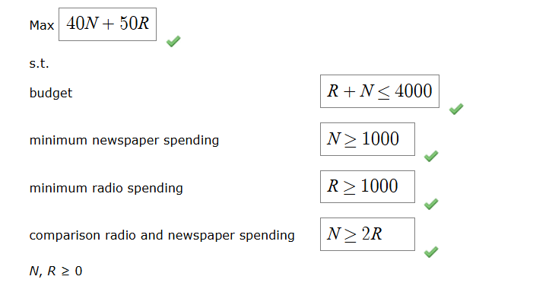
Newspaper Advertising Allocation | 2666.6666673 | ≥ | 1000
Radio Advertising Allocation | 1333.3333337 | ≥ | 1000
Newspaper Advertising Allocation | 2666.6666673 | ≥ | 2666.6666673
Budget | 4000.000001 | ≤ | 4000

